DSP ARYA BIMA (Alcohol)
DATE | INV NO. | DESCRIPTIONS | QTY | BILLS | PRICE | TOTAL
14-Jan-2026 | SOPR/ABC/26/01/0200 | HENDRICK'S GIN | 2 | 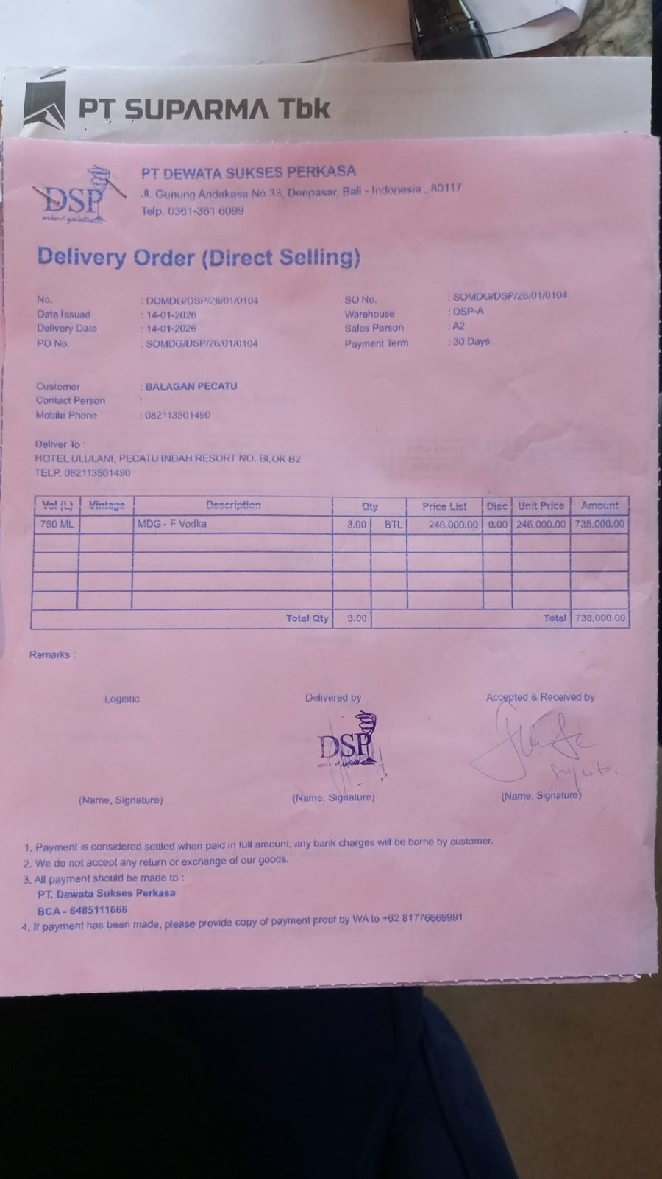 | IDR 655,000 | IDR 1,310,000
TOTAL |  |  |  | Rp1,310,000

